IFA-Conversion Table V0.4(beta)
Conversion Table for Biomechanical Limit Values
Version 0.4 Beta |  |  |  |  |  | Equivalent surface:(0.85) |  | 0.85 | [cm^2] | Measuring device: | 150 | 75 | 40 | 25 | 10 | [N/mm] |  | 25 | Free input [N/mm]
IFA-2022-11-11-JZ/MC |  |  | Detection threshold: | 50 | [N] | Surface pressure: |  | 0 | 1=yes | Padding: SH70A | 130 | 130 | 130 | 130 | 130 | [N/mm] |  | 9999999
informativ |  |  |  |  |  | Factor: |  | 1.2 |  | Equivalent stiffness: | 69.6 | 47.6 | 30.6 | 21.0 | 9.3 | [N/mm] |  | 25.0
Notes on sheet: Legend&Dropdown&Explanatory Notes
Body region | Body location | Contact geometry | c1 [N/mm] | c2 [N/mm] | d_t [mm] | F_t [N] | F_max [N] | d_c2 [mm] | E_max [mJ] |  | 150N/mm +7mm SH70A | 75N/mm +7mm SH70A | 40N/mm +7mm SH70A | 25N/mm +7mm SH70A | 10N/mm +7mm SH70A | Unit | Applicable | Variant at top | Unit | 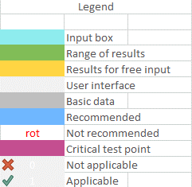
(C) Arm | (12) Deltoid muscle | Blunt | 2.9 | 10.8 | 8.7 | 25 | 130 | 9.7 | 866 |  |  |  |  | 175 | 120 | [N] | 1 | 190 | [N]
(C) Arm | (12) Deltoid muscle | Semi-Sharp | 1.9 | 7.1 | 8.7 | 17 | 86 | 9.7 | 571 |  |  |  |  | 155 | 110 | [N/cm²] | 1 | 165 | [N/cm²]
(C) Arm | (13) Humerus | Blunt | 7.6 | 23.7 | 3.9 | 30 | 160 | 5.5 | 580 |  |  |  | 180 | 150 | 110 | [N] | 1 | 165 | [N]
(C) Arm | (13) Humerus | Semi-Sharp | 5.3 | 16.7 | 3.9 | 21 | 113 | 5.5 | 409 |  |  |  | 170 | 145 | 105 | [N/cm²] | 1 | 155 | [N/cm²]
(C) Arm | (14) Radial bone | Blunt | 15.2 | 27.2 | 3.1 | 47 | 190 | 5.3 | 696 |  |  |  | 200 | 170 | 120 | [N] | 1 | 185 | [N]
(C) Arm | (14) Radial bone | Semi-Sharp | 10.3 | 18.5 | 3.1 | 32 | 129 | 5.3 | 472 |  |  |  | 190 | 160 | 115 | [N/cm²] | 1 | 175 | [N/cm²]
(C) Arm | (15) Forearm muscle | Blunt | 6.4 | 20.9 | 6.6 | 42 | 170 | 6.1 | 787 |  |  |  | 205 | 170 | 120 | [N] | 1 | 185 | [N]
(C) Arm | (15) Forearm muscle | Semi-Sharp | 4.9 | 16.0 | 6.6 | 32 | 130 | 6.1 | 604 |  |  |  | 205 | 170 | 125 | [N/cm²] | 1 | 185 | [N/cm²]
(C) Arm | (16) Arm nerve | Blunt | 5.2 | 18.0 | 8.6 | 45 | 150 | 5.8 | 764 |  |  |  |  | 160 | 115 | [N] | 1 | 175 | [N]
(C) Arm | (16) Arm nerve | Semi-Sharp | 3.5 | 12.0 | 8.6 | 30 | 100 | 5.8 | 512 |  |  |  |  | 145 | 110 | [N/cm²] | 1 | 160 | [N/cm²]
(D) Hand | (17)/(18) Forefinger pad | Blunt | 23.4 | 66.5 | 3.3 | 78 | 410 | 5.0 | 1348 |  | 430 | 355 | 285 |  |  | [N] | 1 | 260 | [N]
(D) Hand | (17)/(18) Forefinger pad | Semi-Sharp | 13.4 | 38.2 | 3.3 | 45 | 236 | 5.0 | 775 |  | 370 | 310 | 250 |  |  | [N/cm²] | 1 | 225 | [N/cm²]
(D) Hand | (19)/(20) Forefinger end joint | Blunt | 39.1 | 89.2 | 2.2 | 88 | 400 | 3.5 | 952 |  | 360 | 300 | 245 |  |  | [N] | 1 | 220 | [N]
(D) Hand | (19)/(20) Forefinger end joint | Semi-Sharp | 17.4 | 39.6 | 2.2 | 39 | 178 | 3.5 | 423 |  | 270 | 225 | 185 |  |  | [N/cm²] | 1 | 170 | [N/cm²]
(D) Hand | (21) Thenar eminence | Blunt | 10.7 | 29.5 | 7.3 | 78 | 260 | 6.1 | 1328 |  |  | 345 | 275 | 230 |  | [N] | 1 | 250 | [N]
(D) Hand | (21) Thenar eminence | Semi-Sharp | 6.8 | 18.7 | 7.3 | 50 | 165 | 6.1 | 843 |  |  | 300 | 245 | 205 |  | [N/cm²] | 1 | 220 | [N/cm²]
(D) Hand | (22)/(23) Palm | Blunt | 15.5 | 52.0 | 6.4 | 99 | 360 | 5.0 | 1468 |  |  | 365 | 295 |  |  | [N] | 1 | 270 | [N]
(D) Hand | (22)/(23) Palm | Semi-Sharp | 10.0 | 33.6 | 6.4 | 64 | 233 | 5.0 | 950 |  |  | 335 | 270 |  |  | [N/cm²] | 1 | 245 | [N/cm²]
(D) Hand | (24)/(25) Back of the hand | Blunt | 28.2 | 48.0 | 2.5 | 69 | 250 | 3.8 | 687 |  |  | 250 | 205 | 170 |  | [N] | 1 | 185 | [N]
(D) Hand | (24)/(25) Back of the hand | Semi-Sharp | 15.1 | 25.6 | 2.5 | 37 | 133 | 3.8 | 367 |  |  | 205 | 170 | 145 |  | [N/cm²] | 1 | 155 | [N/cm²]

Legend&Dropdown&ExplanatoryNote
Drop-down lists |  |  |  |  | Legend |  | Explanatory notes |  | Version history
Shut-off threshold | Surface pressing | Equivalent surface | Spring stiffness | Padding
0 | 0 | 0.4 | 10 | 130 |  | Input box | How energy conversion works: Based on the characteristic curves of the biomechanical corridors (see Final Report), the permitted energy is calculated by integrating the detection threshold and the maximum. Taking into account the actual characteristic curve of the measuring device, an optimised equivalent value is calculated, so that the measuring device absorbs the same energy. The equivalent value can be used for a simplified practical check if the stiffness of the measuring device and the biomechanical corridor are close to each other. Determination of either peak pressure or surface pressing: The procedure for pressure is the same, although there is an additional factor that must be considered. This factor is determined from the equivalent surface of the F-Q10 test specimen (mean equivalent surface F-Q10=~0.85cm²). In addition, it is possible to use the “surface pressing” option, which distributes the force evenly over the total surface (experimentally determined total surface F-Q10=~1.2cm²). (The equivalent surfaces used here may depend on filter and resolution properties of the measuring technique that is used). Important: The table only provides a reference value. If the safety parameters on the applications are set incorrectly, the target value cannot be achieved, and the safety parameters must be adjusted appropriately. To ensure sufficiently safe application, we recommend always carrying out at least two measurements – one with a hard and one with a soft configuration of the measuring device. | 21_11_2021 | Alpha 0.1 | Draft created | JZ
25 | 1 | 0.7 | 25 | 9999999 |  | Range of results |  | 08_03_2022 | Beta 0.2 | Testing and validation done | MC
50 |  | 0.8 | 30 |  |  | Results for free input |  | 03_05_2022 | Beta 0.3 | Editorial adjustments | JZ
75 |  | 0.85 | 35 |  |  | User interface |  | 07_09_2022 | Beta 0.3b | Addition of graphics | JZ
100 |  | 1 | 40 |  |  | Basic data |  | 11_11_2022 | Beta 0.4 | Guideline and publication | JZ, CH
 |  | 1.2 | 50 |  |  | Recommended |  | 16_01_2023 | Beta 0.4_EN | English translation | JZ, CH
 |  |  | 60 |  | rot | Not recommended
 |  |  | 75 |  |  | Critical test point |  | Please email bug report to jan.zimmermann[at]dguv.de
 |  |  | 150 |  | 0 | Not applicable
 |  |  | 500 |  | 1 | Applicable
 |  |  |  |  | SH70A | shore A hardness 70 (7mm)
 |  |  |  |  | c1 [N/mm] | Gradient up to transition point
 |  |  |  |  | c2 [N/mm] | Gradient from transition point
 |  |  |  |  | d_t [mm] | Deformation at transition point
 |  |  |  |  | F_t [N] | Force at transition point
 |  |  |  |  | F_max [N] | Maximum force
 |  |  |  |  | d_c2 [mm] | Maximum deformation
 |  |  |  |  | E_max [mJ] | Total energy

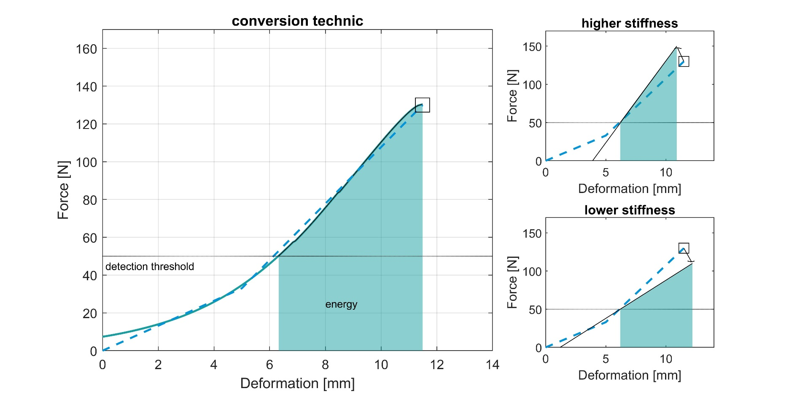

 |  |  |  |  |  |  | The illustration on the left shows the area between the detection threshold and the maximum forces, which was determined using the biomechanical corridor. The illustration on the right shows how the conversion table determines the equivalent value for increasing or decreasing stiffness based on the determined amount of energy. Literatur: Behrens, R.; Zimmermann, J.: Determination of Biomechanical Corridors for the Evaluation of Mechanical Hazards and Estimation of Stiffness Parameters for Future Measurement Devices - Final Report on the research project of Fraunhofer IFF and IFA (2022) https://www.dguv.de/medien/ifa/en/fac/kollaborierende_roboter/ifa-skl_final_report.pdf

